模板
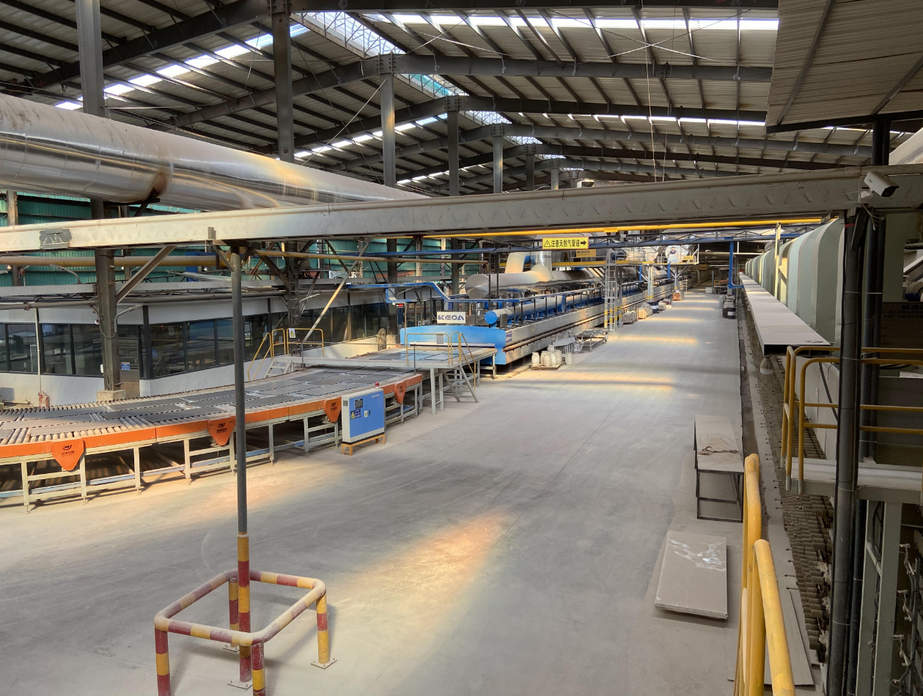 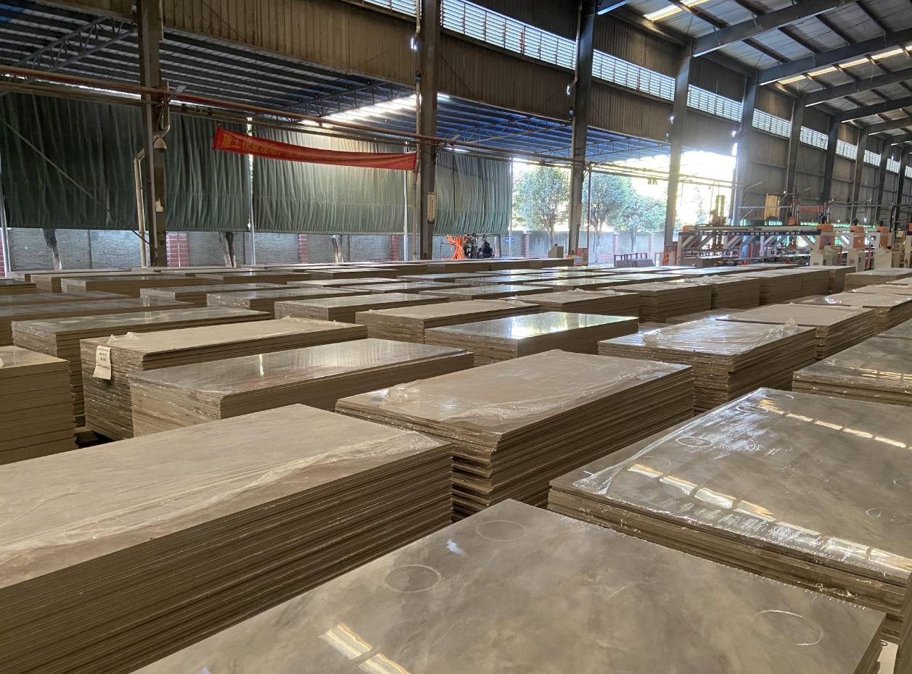 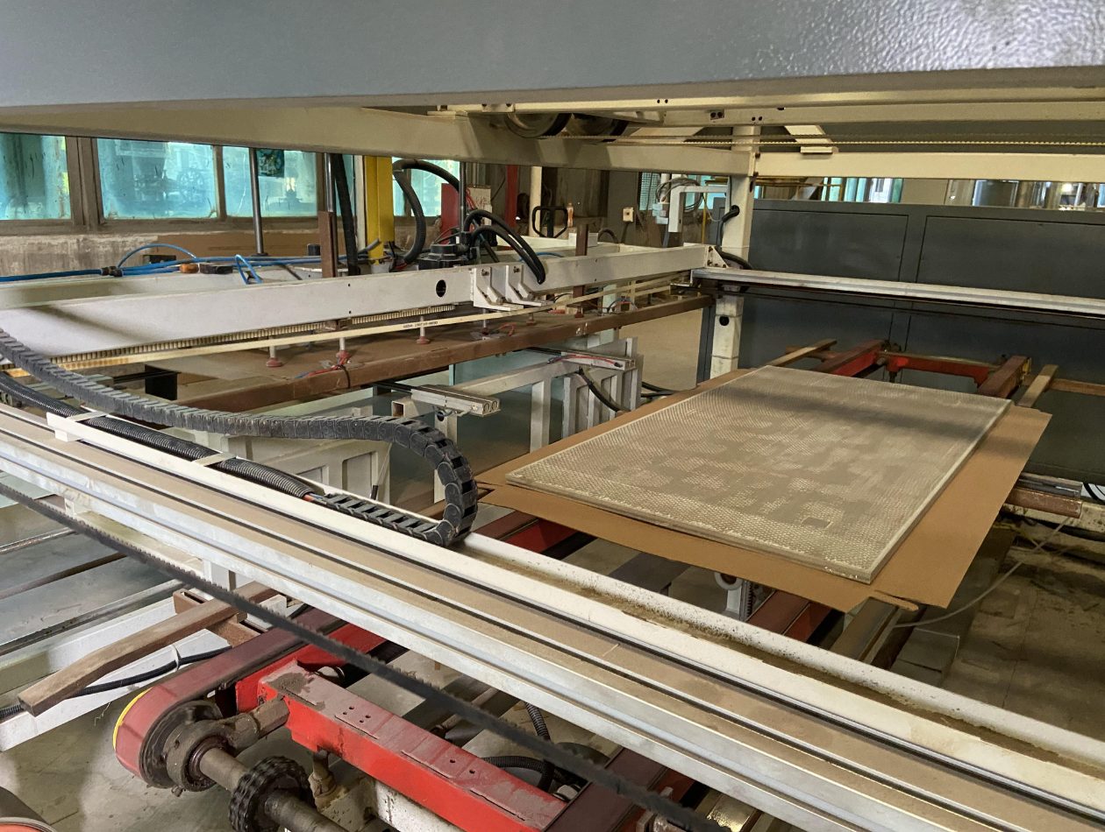 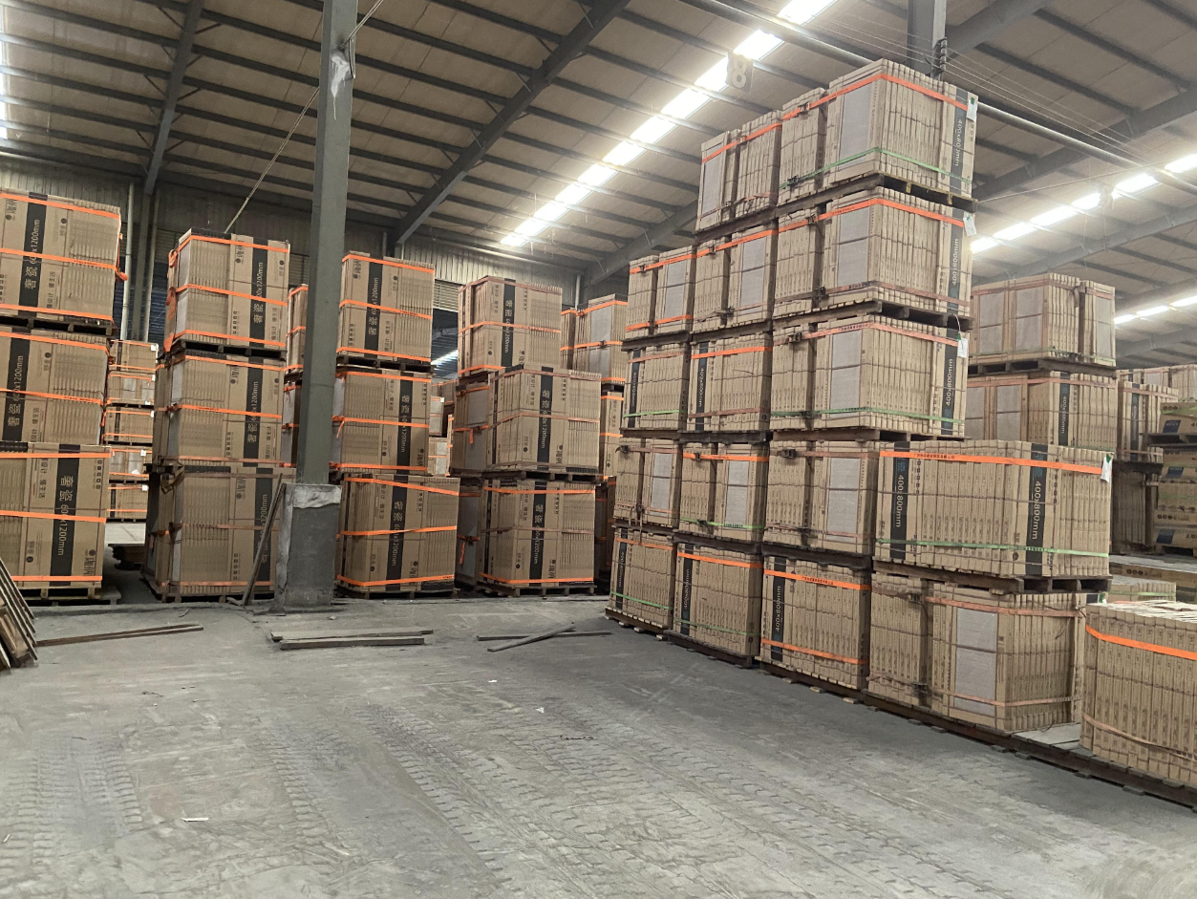 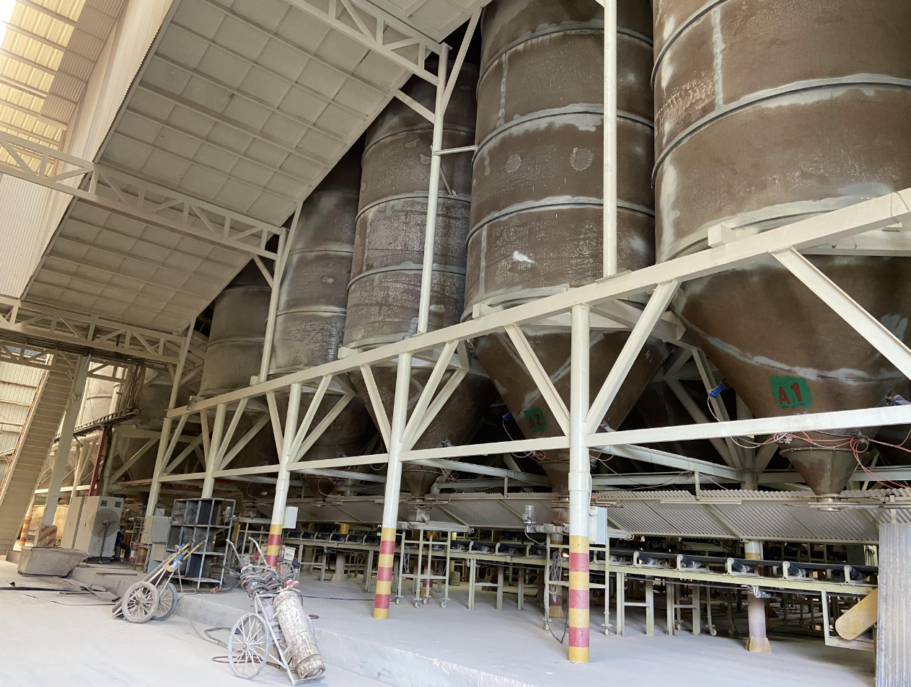
Customer |  |  |  |  |  |  |  |  | Customer Country
Email |  |  |  |  |  |  |  |  | Moblie Number
Quote Date |  |  |  | 2026-10-26 |  |  |  |  | Valid until
Order NO |  |  |  |  |  |  |  |  | Sales |  |  | Cathy
Date of order |  |  |  |  |  |  |  |  | Date of deliver
Proforma invoice
No |  | Product Type | Item Number | Design | Size(mm) | Total QTY | Unit | Unit Price(USD) | Amount(USD) | Description | PCS/CTN | SQM/CTN | Total CTN | Total PCS | Total Weight(KG) | CBM(m³) | Remarks

1 | main floor | Porcelain tile | GC-CX612Y91-SW |  | 600*1200 | 132.48 | SQM | $16.00 | $2,119.68 | Surface:Matte Thickness:9±1mm Grad：AAA | 2 | 1.44 | 92 | 184 | 3220.00 | 2.25 | 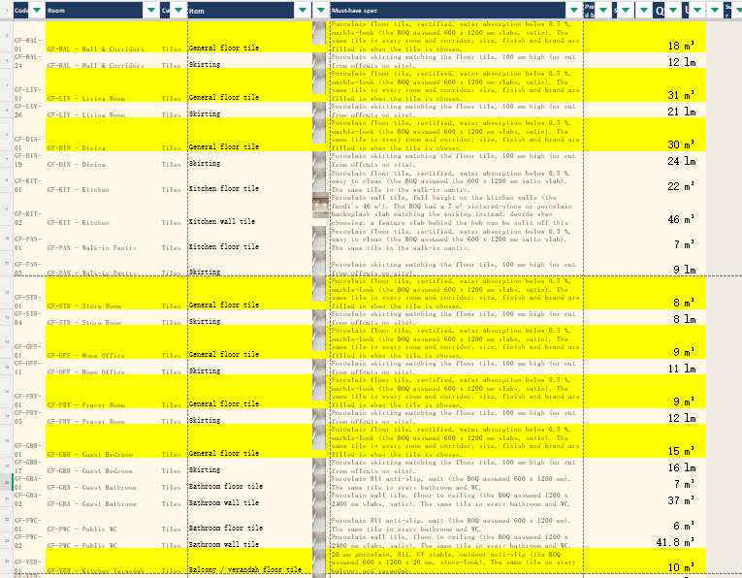
2 | main floor Skirting | Porcelain tile | GC-CX612Y91-SW |  | 600*1200 (cut into 100*1200) | 132.00 | M | $3.00 | $396.00 | Surface:Matte Thickness:9±1mm Grad：AAA | 2 | 1.44 | 11 | 22 | 385.00 | 0.27 | 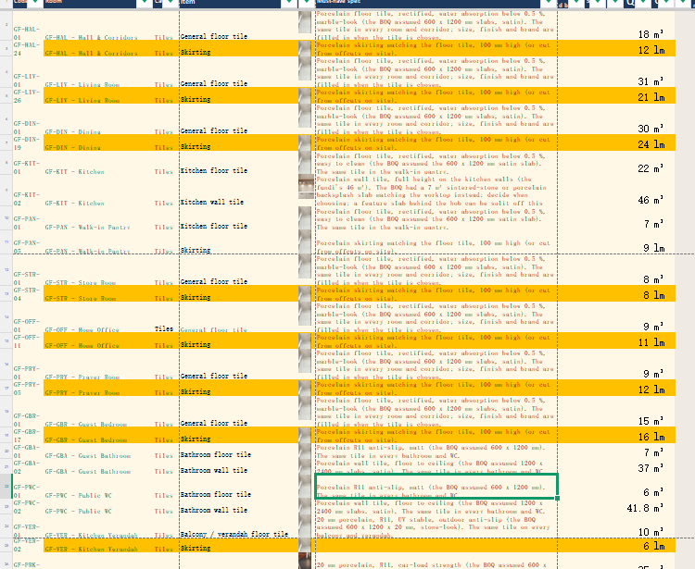
3 | all bath floor | Porcelain tile | GC-SM12675-ZNLM | 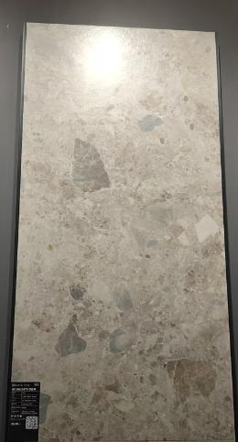 | 600*1200 | 14.40 | SQM | $12.80 | $184.32 | Surface:Matte Thickness:9±1mm Grad：AAA | 2 | 1.44 | 10 | 20 | 350.00 | 0.25 | 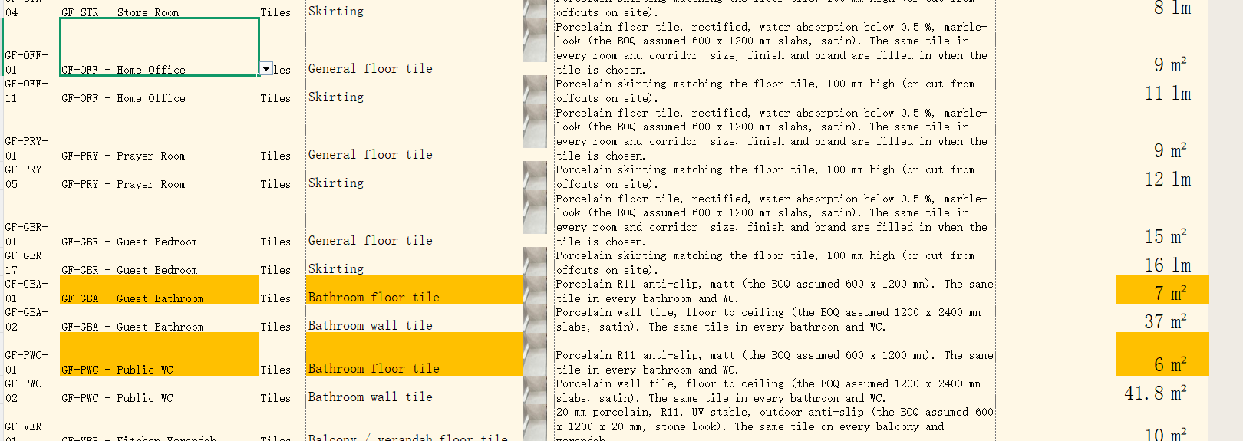
4 | all bath wall | Porcelain tile | GC-SM12671-ZNLM | 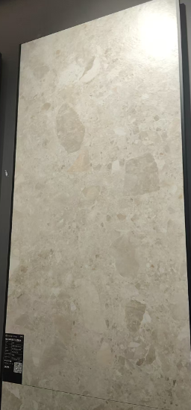 | 600*1200 | 87.84 | SQM | $13.50 | $1,185.84 | Surface:Matte Thickness:9±1mm Grad：AAA | 2 | 1.44 | 61 | 122 | 2135.00 | 1.49
5 | kitchen floor | Porcelain tile | GC-SD126501-HCS |  | 600*1200 | 33.12 | SQM | $10.80 | $357.70 | Surface:Matte Thickness:9±1mm Grad：AAA | 2 | 1.44 | 23 | 46 | 805.00 | 0.56 | 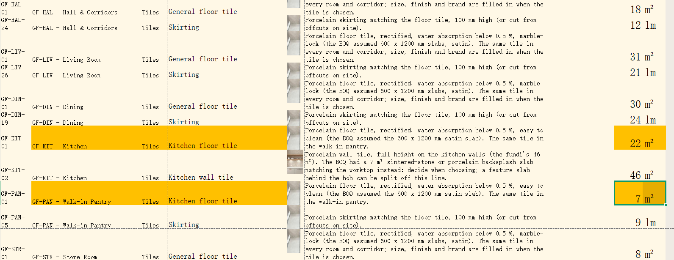
6 | kitchen Skirting | Porcelain tile | GC-SD126501-HCS | 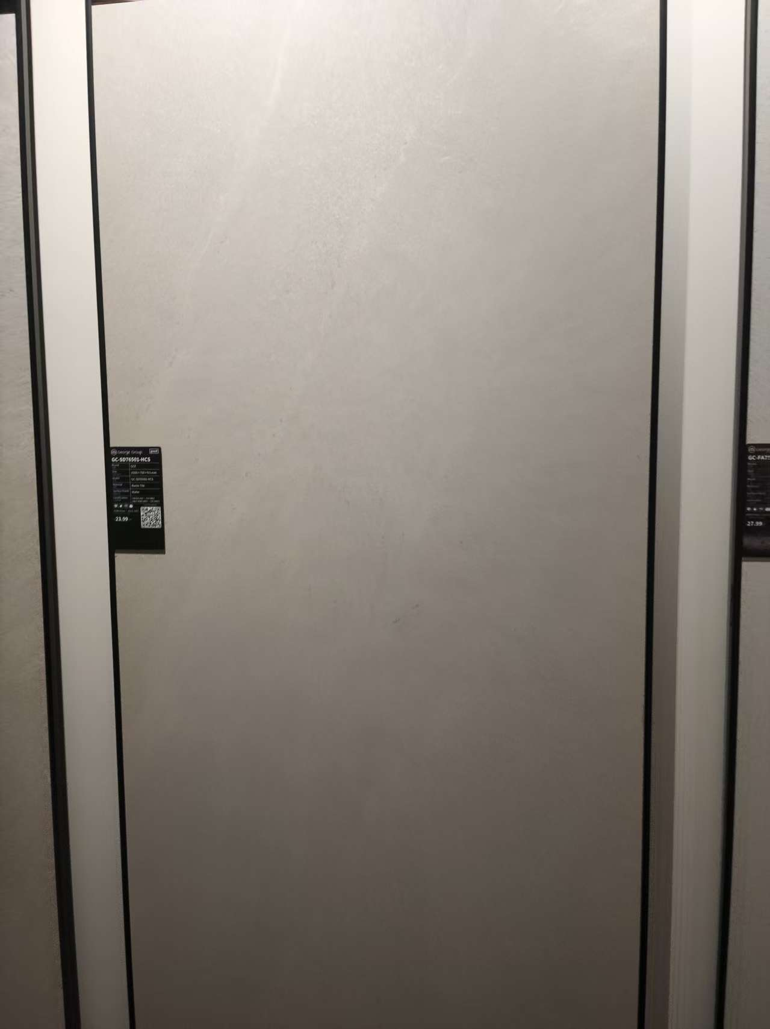 | 600*1200 (cut into 100*1200) | 12.00 | M | $1.70 | $20.40 | Surface:Matte Thickness:9±1mm Grad：AAA | 2 | 1.44 | 1 | 2 | 35.00 | 0.02
7 | kitchen wall | Porcelain tile | GC-TSC-15-ZNLM | 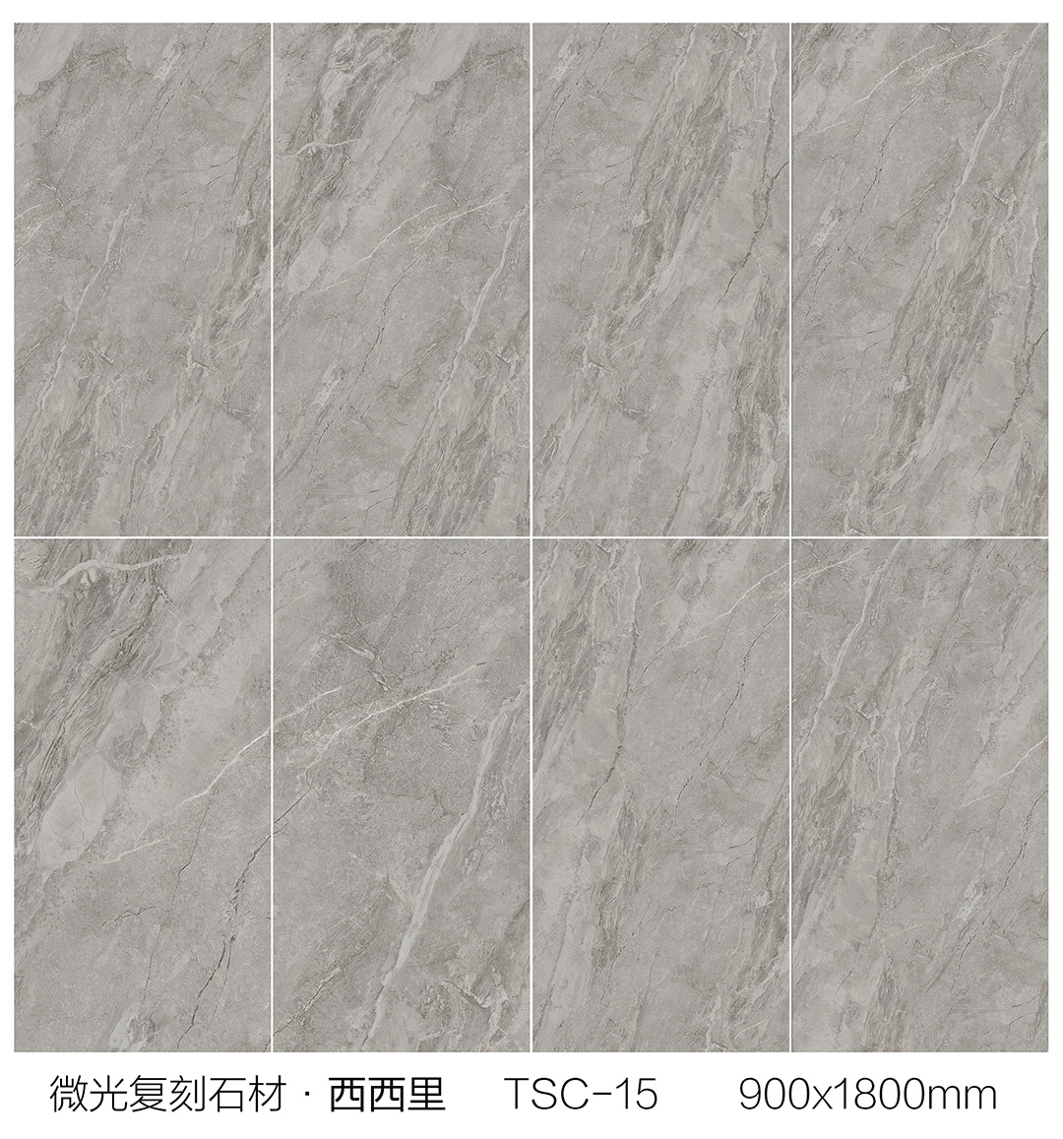 | 900*1800 | 51.84 | SQM | $31.50 | $1,632.96 | Surface:Matte Thickness:9±1mm Grad：AAA | 1 | 1.62 | 32 | 32 | 1120.00 | 0.78 | 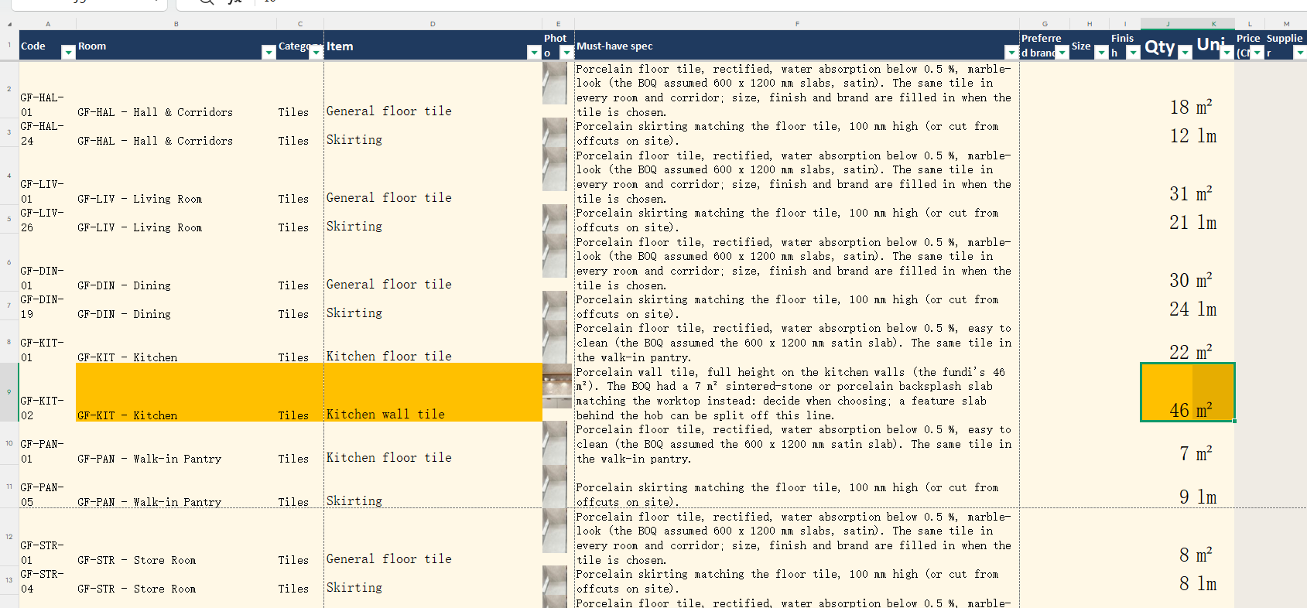
8 | outdoor floor | Porcelain tile | GH-6062-JWX | 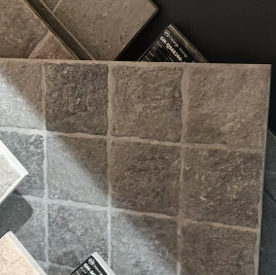 | 600*600 | 11.52 | SQM | $15.00 | $172.80 | Surface:Matte Thickness:12±1mm Grad：AAA | 4 | 1.44 | 8 | 32 | 280.00 | 0.20

9 | main floor | Porcelain tile | GC-CX612Y91-SW |  | 600*1200 | 280.80 | SQM | $16.00 | $4,492.80 | Surface:Matte Thickness:9±1mm Grad：AAA | 2 | 1.44 | 195 | 390 | 6825.00 | 4.78 | 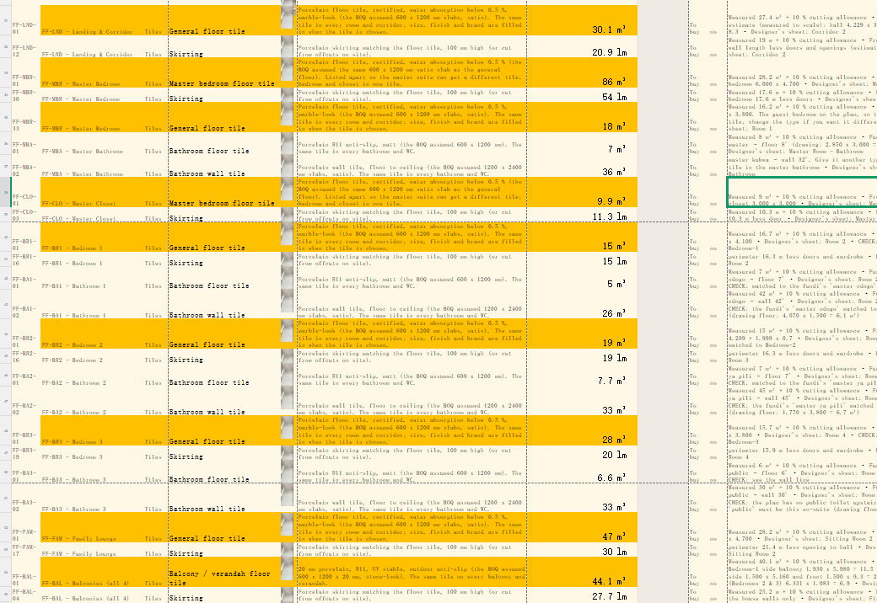
10 | main floor Skirting | Porcelain tile | GC-CX612Y91-SW |  | 600*1200 (cut into 100*1200) | 216.00 | M | $3.00 | $648.00 | Surface:Matte Thickness:9±1mm Grad：AAA | 2 | 1.44 | 18 | 36 | 630.00 | 0.44 | 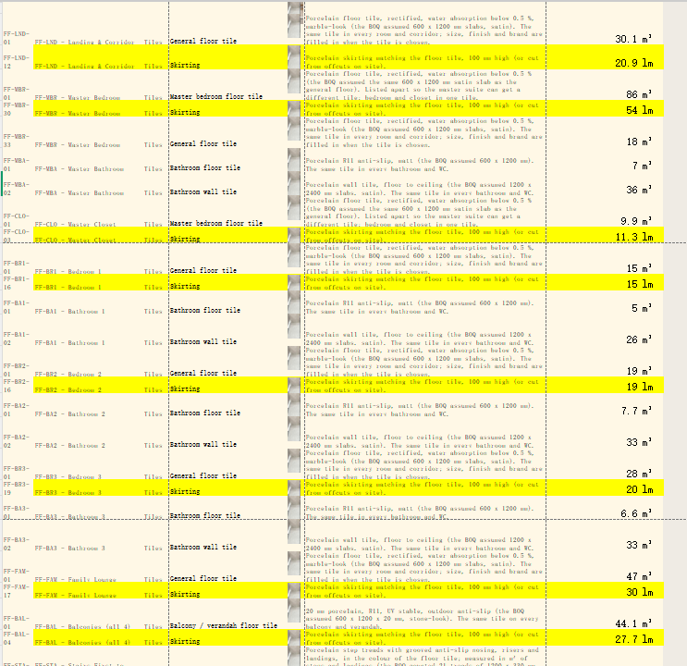
11 | Master bath floor | Porcelain tile | GC-BN12086-JH | 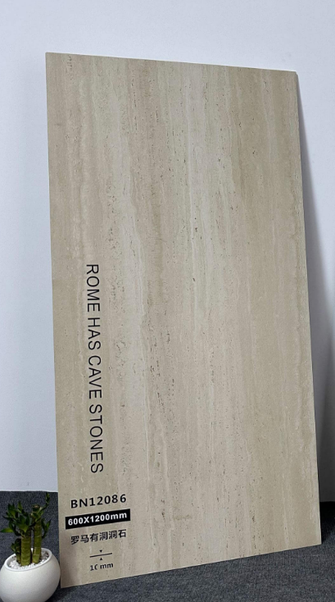 | 600*1200 | 8.64 | SQM | $12.80 | $110.59 | Surface:Matte Thickness:9±1mm Grad：AAA | 2 | 1.44 | 6 | 12 | 210.00 | 0.15
12 | Master bath wall | Porcelain tile | GC-BN12086LC-JH | 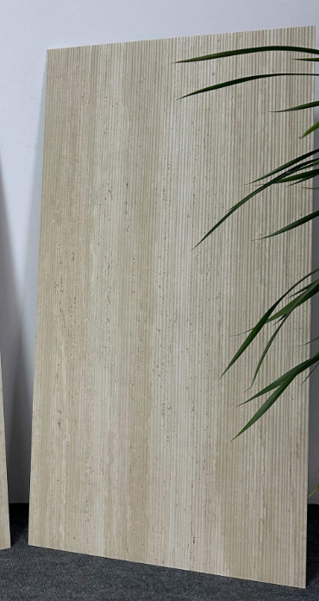 | 600*1200 | 40.32 | SQM | $13.50 | $544.32 | Surface:Matte Thickness:9±1mm Grad：AAA | 2 | 1.44 | 28 | 56 | 980.00 | 0.69
13 | other bath floor | Porcelain tile | GC-SM12675-ZNLM |  | 600*1200 | 21.60 | SQM | $12.80 | $276.48 | Surface:Matte Thickness:9±1mm Grad：AAA | 2 | 1.44 | 15 | 30 | 525.00 | 0.37 | 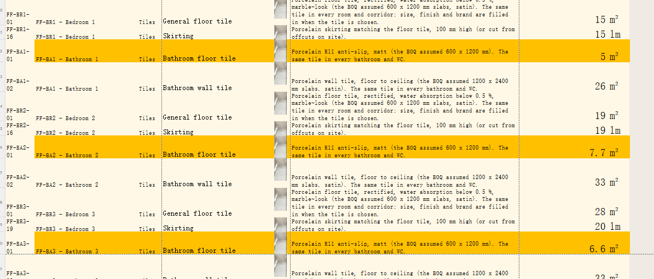
14 | other bath wall | Porcelain tile | GC-SM12671-ZNLM |  | 600*1200 | 102.24 | SQM | $13.50 | $1,380.24 | Surface:Matte Thickness:9±1mm Grad：AAA | 2 | 1.44 | 71 | 142 | 2485.00 | 1.74 | 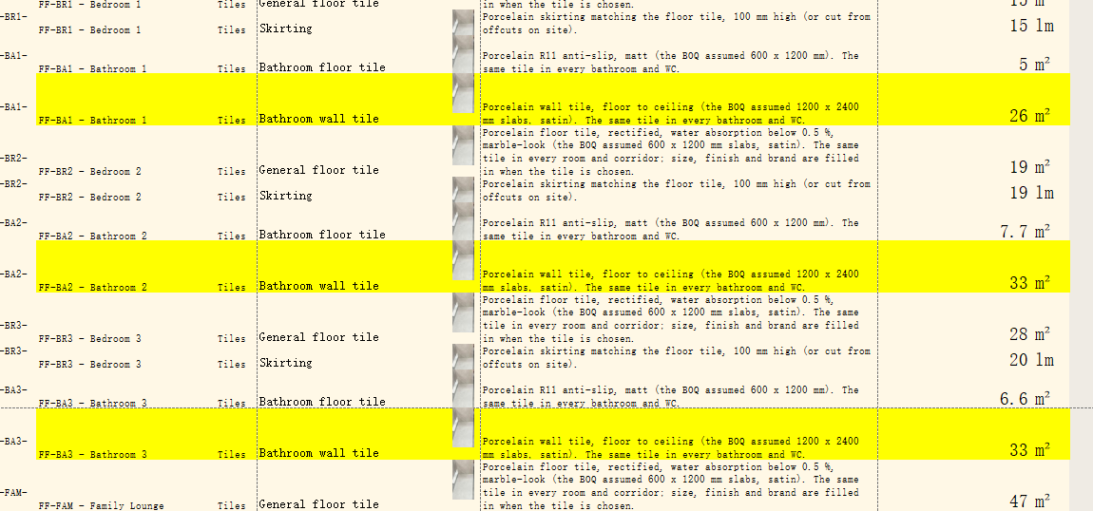
15 | outdoor floor | Porcelain tile | GH-6062-JWX |  | 600*600 | 48.96 | SQM | $15.00 | $734.40 | Surface:Matte Thickness:12±1mm Grad：AAA | 4 | 1.44 | 34 | 136 | 1190.00 | 0.83
16 | Washroom wall | Porcelain tile | GD-P624RH3-SC | 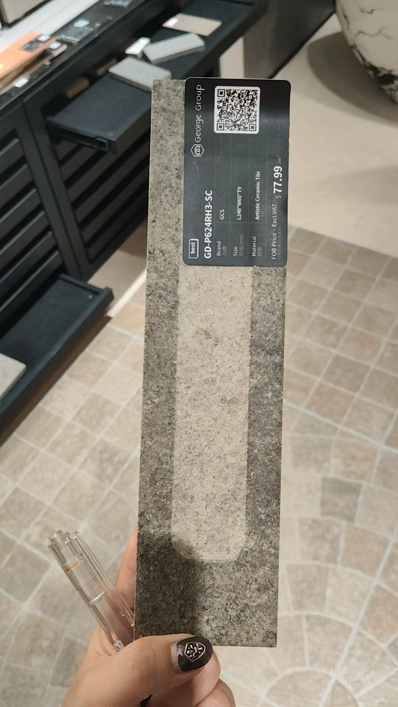 | 60*240 | 10.80 | SQM | $38.50 | $415.80 | Surface:Matte Thickness:12±1mm Grad：AAA | 50 | 0.72 | 15 | 750 | 525.00 | 0.37 | 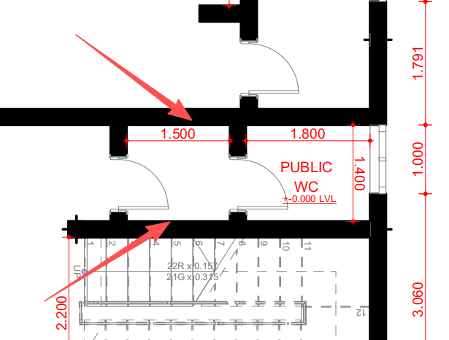

17 | main floor | Porcelain tile | GC-CX612Y91-SW |  | 600*1200 | 56.16 | SQM | $16.00 | $898.56 | Surface:Matte Thickness:9±1mm Grad：AAA | 2 | 1.44 | 39 | 78 | 1365.00 | 0.96
18 | main floor Skirting | Porcelain tile | GC-CX612Y91-SW |  | 600*1200 (cut into 100*1200) | 72.00 | M | $3.00 | $216.00 | Surface:Matte Thickness:9±1mm Grad：AAA | 2 | 1.44 | 6 | 12 | 210.00 | 0.15
19 | bath floor | Porcelain tile | GC-SM12675-ZNLM |  | 600*1200 | 8.64 | SQM | $12.80 | $110.59 | Surface:Matte Thickness:9±1mm Grad：AAA | 2 | 1.44 | 6 | 12 | 210.00 | 0.15
20 | bath wall | Porcelain tile | GC-SM12671-ZNLM |  | 600*1200 | 40.32 | SQM | $13.50 | $544.32 | Surface:Matte Thickness:9±1mm Grad：AAA | 2 | 1.44 | 28 | 56 | 980.00 | 0.69
21 | outdoor floor | Porcelain tile | GH-612-JWX |  | 600*1200 | 148.32 | SQM | $18.00 | $2,669.76 | Surface:Matte Thickness:12±1mm Grad：AAA | 2 | 1.44 | 103 | 206 | 3605.00 | 2.52

22 | main floor | Porcelain tile | GC-CX612Y91-SW |  | 600*1200 | 34.56 | SQM | $16.00 | $552.96 | Surface:Matte Thickness:9±1mm Grad：AAA | 2 | 1.44 | 24 | 48 | 840.00 | 0.59
23 | main floor Skirting | Porcelain tile | GC-CX612Y91-SW |  | 600*1200 (cut into 100*1200) | 48.00 | M | $3.00 | $144.00 | Surface:Matte Thickness:9±1mm Grad：AAA | 2 | 1.44 | 4 | 8 | 140.00 | 0.10
24 | bath floor | Porcelain tile | GC-SM12675-ZNLM |  | 600*1200 | 10.08 | SQM | $12.80 | $129.02 | Surface:Matte Thickness:9±1mm Grad：AAA | 2 | 1.44 | 7 | 14 | 245.00 | 0.17
25 | bath wall | Porcelain tile | GC-SM12671-ZNLM |  | 600*1200 | 51.84 | SQM | $13.50 | $699.84 | Surface:Matte Thickness:9±1mm Grad：AAA | 2 | 1.44 | 36 | 72 | 1260.00 | 0.88
26 | outdoor floor | Porcelain tile | GH-6062-JWX |  | 600*600 | 11.52 | SQM | $15.00 | $172.80 | Surface:Matte Thickness:12±1mm Grad：AAA | 4 | 1.44 | 8 | 32 | 280.00 | 0.20 | 

27 | Steps | Porcelain tile | GC-CX612Y91-SW |  | 600*1200 (grooving) | 44.00 | PCS | $15.00 | $660.00 | Surface:Matte Thickness:9±1mm Grad：AAA | 2 | 1.44 | 31 | 61 | 1069.44 | 0.75
28 | landing | Porcelain tile | GC-CX612Y91-SW |  | 600*1200 | 7.20 | SQM | $16.00 | $115.20 | Surface:Matte Thickness:9±1mm Grad：AAA | 2 | 1.44 | 4 | 8 | 140.00 | 0.10
29 | stairs Skirting | Porcelain tile | GC-CX612Y91-SW |  | 600*1200 (cut into 100*1200) | 17.00 | M | $3.00 | $51.00 | Surface:Matte Thickness:9±1mm Grad：AAA | 2 | 1.44 | 4 | 8 | 140.00 | 0.10
wooden pallet |  |  |  |  |  |  |  |  | $950.00
Total amount: |  |  |  |  |  |  |  |  |  |  |  |  |  |  |  | $22,586.38
Deposit: |  |  |  |  |  |  |  |  |  |  |  |  |  |  |  | $11,293.19
Balance: |  |  |  |  |  |  |  |  |  |  |  |  |  |  |  | $11,293.19
Notes.
1.Delivery Term: EXW
2.Payment terms: 50% deposit by T/T after confirming the P/I.The balance by T/T before loading.100% payment if enough stock.
3.Order lead time: Within 25-30 days after receipt of deposit or payment
4.Packing: wooden box/carton
5.The goods are delivered indoors in Foshan
6.Goods are natural products so pattern ,colors and thinknss may be a little difference from the sample.

